フードシステム (英)
T-Messe2023 Toyama General Manufacturing Industry Trade Fair
<Lunch Box Order Form>

Fill out the form (company name, contact info, the number of orders) and send it to the secretariat （t.tradefair@tonio.or.jp）by e-mail.
Please submit the form by September 29 (Fri.)
Supplied by: Food system Co., Ltd.
A lunch
\900 (incl. tax)
with bottled tea
October 26 (Thu) |  | 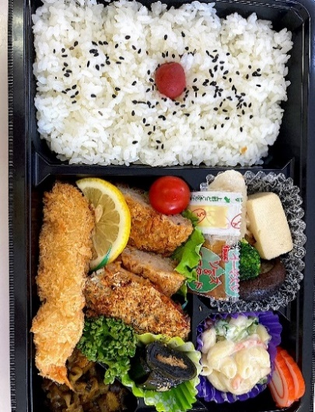 | -Deep-fried prawns -Ground meat cutlet -Grilled fish with herbs -KONBU (kelp) roll -Macaroni salad -Tofu, shiitake mushroom, fish sausage cooked in broth -Fish cake/Pickles -Cherry tomato, parsley -Rice with pickled plum and sesame

B lunch
\900 (incl. tax)
with bottled tea
October 27 (Fri) |  | 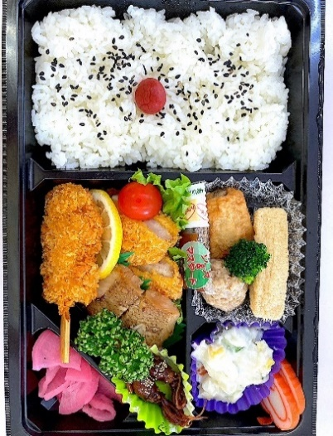 | -Pork cutlet -Cutlet on a skewer -Grilled fish with teriyaki sauce -Fried tofu, meat ball and vegetable simmered in broth -Simmered firefly squid -Potato salad -Fish cake and pickles -Cherry tomato, parsley -Rice with pickled plum and sesame

C lunch
\900 (incl. tax)
with bottled tea
October 28 (Sat) |  | 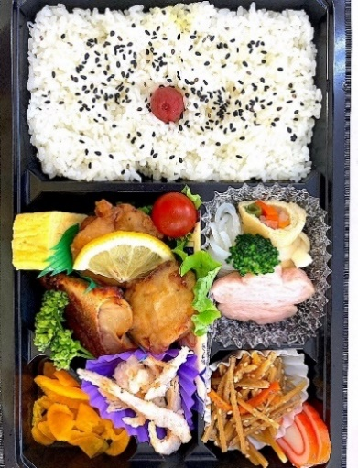 | -Fried chicken -Rolled omelette -Grilled fish with teriyaki sauce -Sauteed burdock root -Tofu, minced fish, etc., simmered in broth -Deep-fried glass shrimp -Fish cake and pickles -Cherry tomato, parsley -Rice with pickled plum and sesame

Company/Organization |  |  | Ordered by (name)

e-mail | ＠ |  | Mobile phone contactable during the fair | - -
 |  |  |  | - - (other number, if any)

 |  |  |  | Quantity | Price (incl.tax)
Oct. 26 (Thu) | A lunch with bottled tea |  | ＠900 |  | ¥0
Oct. 27 (Fri) | B lunch with bottled tea |  | ＠900 |  | ¥0
Oct. 28 (Sat) | C lunch with bottled tea |  | ＠900 |  | ¥0
 |  |  | Total |  | ¥0

