黒部フーズサプライ株式会社 (英語)
T-Messe2023 Toyama General Manufacturing Industry Trade Fair
<Lunch Box Order Form>

Fill out the form (company name, contact info, the number of orders) and send it to the secretariat （t.tradefair@tonio.or.jp）by e-mail.
Please submit the form by September 29 (Fri.)
Supplied by: Kurobe Foods Supply Co., Ltd.
October 26 (Thu) | 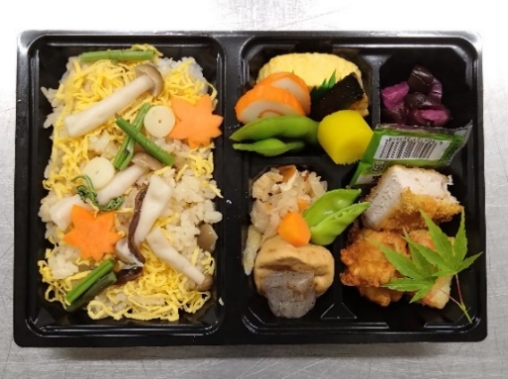
 |  |  | "Autumnal mushroom BENTO" with bottled tea (500 mL) \ 1,000 (incl. tax)

 |  |  | Rice cooked with various mushrooms Boiled soybeans, Grilled fish, Fish cake, Rolled egg with ground chicken, Pork cutlet, Grilled ground chicken, Chicken tempura, Simmered dried sliced radish, Tofu dumpling and vegetables simmered in broth, Pickled cucumber

October 27 (Fri) | 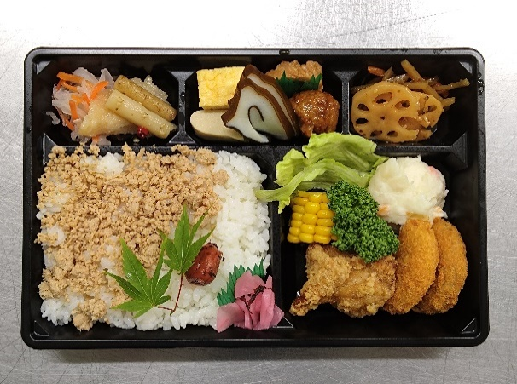
 |  |  | "Seasoned Ground Chicken BENTO" with bottled tea (500 mL) \ 1,000 (incl. tax)

 |  |  | Seasoned ground chicken on top of rice, Pickled plum, Pickled cucumber, Corn, Lettuce, Steamed chicken salad, Shoyu-flavored fried chicken, Minced meat cutlet, Sauteed burdock root, Lotus root, Rolled omelette, Fish cake, Tofu, Meat ball, Marinated fish, Vinegar-flavored radish and carrot, etc.

October 28 (Sat) | 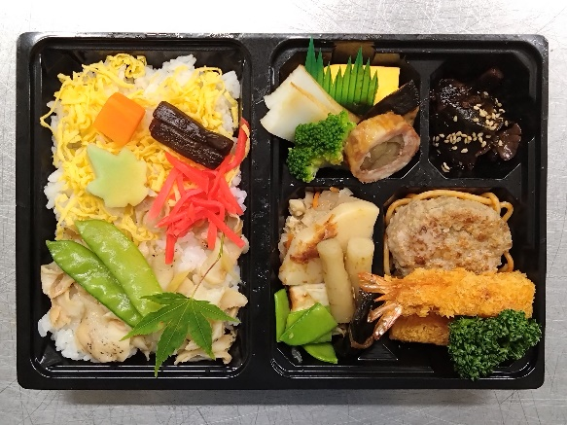
 |  |  | "Rice cooked with Shellfish BENTO" with bottled tea (500 mL) \ 1,000 (incl. tax)

 |  |  | Rice cooked with ivory shell, Thinly shredded egg, Wheat gluten cake, Carrot, Hamburger patty, Spaghetti, Deep-fried prawn, Parsley, Egg omelette, Meat roll, Fish cake, Soybean and vegetable, Cooked seaweed, Fish sausage, Bamboo sprout, Green beans, Cooked roll seaweed, Sesame

Company/Organization |  |  |  | Ordered by (name)

e-mail |  | ＠ |  | Mobile phone contactable during the fair | - -
 |  |  |  |  | - - (other number, if any)

 |  |  |  |  | Quantity | Price (incl.tax)
Oct. 26 (Thu) |  | "Autumnal mushroom BENTO" with bottled tea |  | ＠1,000 |  | ¥0
Oct. 27 (Fri) |  | "Seasoned Ground Chicken BENTO" with bottled tea |  | ＠1,000 |  | ¥0
Oct. 28 (Sat) |  | "Rice cooked with Shellfish BENTO" with bottled tea |  | ＠1,000 |  | ¥0
 |  |  |  | Total |  | ¥0

