株式会社 源 (英)
T-Messe2023 Toyama General Manufacturing Industry Trade Fair
<Lunch Box Order Form>

Fill out the form (company name, contact info, the number of orders) and send it to the secretariat （t.tradefair@tonio.or.jp）by e-mail.
Please submit the form by September 29 (Fri.)
Supplied by: Minamoto Co., Ltd.
October 26 (Thu)
 | 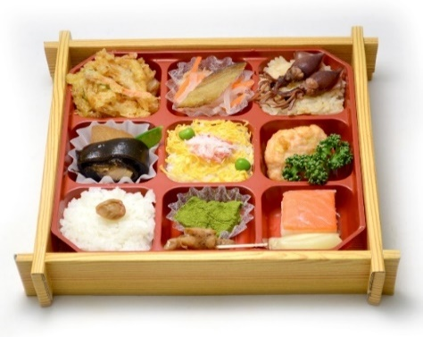 "TOYAMA-Bay BENTO" with bottled tea (500 mL) \1,200 (incl. tax)
 |  |  | Deep-fried glass shrimp & chopped vegetable | Deep-fried fish with vinegar flavored vegetables | Seasoned rice with firefly squid
 |  |  | Cooked fish and daikon | Crab sushi | Squid paste dumpling, parsley
 |  |  | Rice with pickled plum | Cooked ivory shell, sweet rice cake | Masuno-sushi (trout-pressed sushi) garnished with vinegared ginger

 |  |  | (Contains shrimp, crab, eggs, wheat, soybeans, pork, chicken, squid, salmon, mackerel, apple and sesame)

October 27 (Fri)
 | 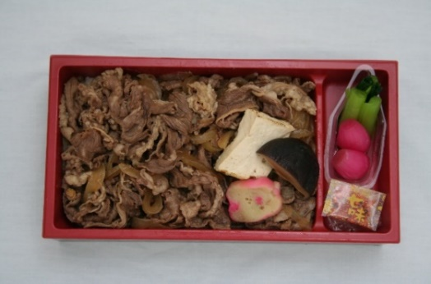 "Sukiyaki BENTO" with bottled tea (500 mL) \1,000 (incl. tax)

 |  |  | Beef sukiyaki (beef, grilled tofu, shiitake mushroom, wheat gluten cake), Rice |  | Leafy vegetable, pickled chinese scallion

 |  |  | (Contains wheat, soybeans, beef, mackerel, apples, and sesame)

October 28 (Sat)
 | 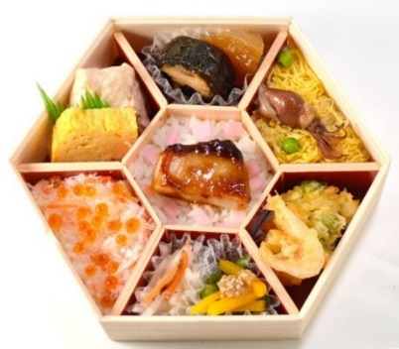 "ARIAKE Sea BENTO" with bottled tea (500 mL) \1,250 (incl. tax)
 |  |  | Minced prawn dumpling, Rolled omelette | Japanese radish simmered in broth, cooked fish rolled with seaweed | Sushi rice topped with simmered firefly squid, thinly shredded egg, green peas

 |  |  | Seasoned rice sprinkled with vinegared crab meat, shoyu-flavored salmon roe | Teriyaki fish, Pickled red radish, Rice | Deep-fried glass shrimp mixed with vegetable

 |  |  |  | Pickled vegetables (radish & carrot), mixed green beans and pumpkin

 |  |  | (Contains shrimp, crab, eggs, wheat, soybeans, salmon roe, squid, salmon, mackerel, yam, apple, and sesame)

Company/Organization |  |  | Ordered by (name)

e-mail |  | ＠ | Mobile phone contactable during the fair | - -
 |  |  |  | - - (other number, if any)

 |  |  |  | Quantity | Price (incl.tax)
Oct. 26 (Thu) |  | TOYAMA-Bay BENTO with bottled tea | ＠1,200 |  | ¥0
Oct. 27 (Fri) |  | Sukiyaki BENTO with bottled tea | ＠1,000 |  | ¥0
Oct. 28 (Sat) |  | ARIAKE Sea BENTO with bottled tea | ＠1,250 |  | ¥0
 |  |  | Total |  | ¥0

